Contents
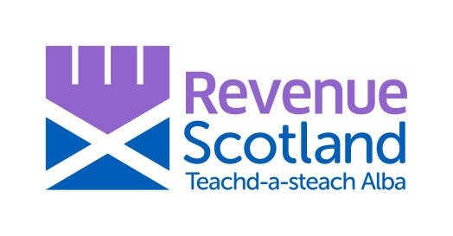
Revenue Scotland
Land and Buildings Transaction Tax

LBTT - 2022/23 Budget Data
November 2021

Background
The Scottish Fiscal Commission (SFC) have a duty to prepare forecasts of Land and Building Transaction Tax (LBTT)
to inform the Scottish and UK budgets and have a statutory right of access to relevant LBTT information they reasonably require.
This document contains relevant LBTT data provided by Revenue Scotland to SFC in November 2021.

Contents

Table 1(i) | Number of transactions, LBTT excluding Additional Dwelling Supplement (ADS), mean and median total consideration (TC) for residential conveyances by month

Table 1(ii) | Number of transactions, LBTT excluding Additional Dwelling Supplement (ADS), mean and median total consideration (TC) for residential conveyances by quarter

Table 2(i) | Number of transactions, LBTT excluding Additional Dwelling Supplement (ADS), mean and median total consideration (TC) for non-residential conveyances by month

Table 2(ii) | Number of transactions, LBTT excluding Additional Dwelling Supplement (ADS), mean and median total consideration (TC) for non-residential conveyances by quarter

Table 3 | Cumulative percentage of claims for repayment of Additional Dwelling Supplement (ADS) (as a percentage of all cases where ADS was declared due) by effective date and the number of months between the effective and reclaim dates

Table 4 | Cumulative percentage of Additional Dwelling Supplement (ADS) reclaimed (as a percentage of gross ADS declared due) by effective date and the number of months between the effective and reclaim dates

Table 5 | Intent to reclaim Additional Dwelling Supplement (ADS) - number of transactions and gross ADS by quarter

Table 6 | Non-residential LBTT revenues (£) from leases and all transactions by month

Table 7 | Distribution of residential conveyances submitted in 2021/22

Table 8 | Distribution of non-residential conveyances submitted in 2021/22

Table 9 | Number of transactions, LBTT excluding Additional Dwelling Supplement (ADS), mean and median total consideration (TC) and first-time buyer (FTB) relief claimed for residential conveyances claiming FTB relief by month

Table 10 | Number of transactions, LBTT excluding Additional Dwelling Supplement (ADS), mean and median total consideration (TC) and first-time buyer (FTB) relief claimed for residential conveyances claiming FTB relief by month and consideration band

Table 11 | Distribution of residential conveyances by total consideration and quarter

Table 12 | Distribution of residential conveyances with ADS declared due by total consideration and quarter

Table 13 | Distribution of non-residential conveyances by total consideration and quarter

Land transactions must be notified to Revenue Scotland unless the chargeable consideration is less than £40,000 or the transaction is otherwise exempt.

Tables may not sum due to rounding.

Taxpayers have 30 days to submit an LBTT tax return after the "effective date" of a notifiable transaction (usually the date of completion of the conveyancing process).

Revenue Scotland LBTT statistics are reported based on the date on which returns are received (the "received date") to allow timely monthly statistics to be published.
However, it is more helpful for forecasting purposes to have information by "effective date" (i.e. the date the property transaction took place), hence data in this document are by effective date (unless otherwise stated).
For this reason, this forecasting data will not exactly match the published monthly statistics.

Data were extracted as at 15 November 2021, and drawn from Revenue Scotland's tax administration system.
Data are in aggregate form and Disclosure Control checks have been carried out to ensure the protection of taxpayers' information.

